Composite
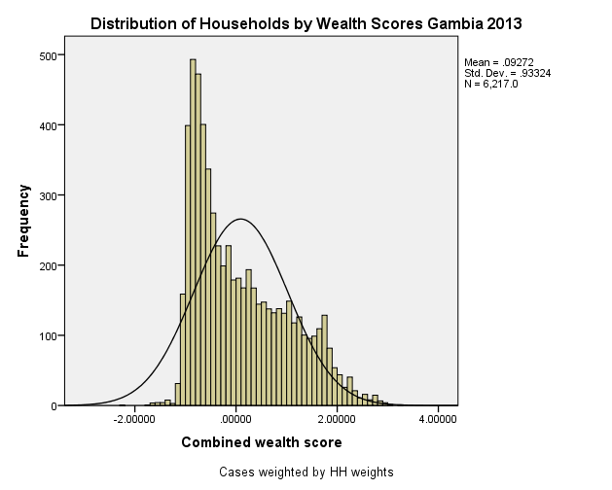
Combined Scores

 | Urban Area

 |  | Coefficientsa
 |  | Model |  | Unstandardized Coefficients |  | Standardized Coefficients | t | Sig.
 |  |  |  | B | Std. Error | Beta
 |  | 1 | (Constant) | 0.697 | 0.004 |  | 168.886 | 0.000
 |  |  | Urban wealth score | 0.839 | 0.004 | 0.965 | 203.379 | 0.000
 |  | a. Dependent Variable: Common wealth score

 |  |  | Combined Score= 0.697 + 0.839 * Urban Score

 | Rural

 |  | Coefficientsa
 |  | Model |  | Unstandardized Coefficients |  | Standardized Coefficients | t | Sig.
 |  |  |  | B | Std. Error | Beta
 |  | 1 | (Constant) | -0.691 | 0.008 |  | -83.686 | 0.000
 |  |  | Rural wealth score | 0.263 | 0.008 | 0.496 | 31.884 | 0.000
 |  | a. Dependent Variable: Common wealth score

 |  |  | Combined Score= -0.691 + 0.263 * Rural Score

 | Combined Score

 |  | Statistics
 |  | Combined wealth score
 |  | N | Valid | 6217
 |  |  | Missing | 0
 |  | Mean |  | 0.0927203
 |  | Std. Error of Mean |  | 0.01183594
 |  | Median |  | -0.1619478
 |  | Mode |  | 1.61278
 |  | Std. Deviation |  | 0.93323930
 |  | Skewness |  | 0.723
 |  | Std. Error of Skewness |  | 0.031
 |  | Kurtosis |  | -0.480
 |  | Std. Error of Kurtosis |  | 0.062
 |  | Minimum |  | -2.22028
 |  | Maximum |  | 3.20854
 |  | Percentiles | 20 | -0.7732885
 |  |  | 40 | -0.4413887
 |  |  | 60 | 0.1805327
 |  |  | 80 | 1.0064400

 | histrogram

